Order Form
Order Form: GES Logistics
Global Experience Specialists (GES) Ltd, Unit 13, Exhibition Way, NEC, Birmingham, B40 1PA
T: +44 (0) 121 782 4433 | E: event.logistics@ges.com
LOGISTICS ORDER FORM

INFORMATION & QUOTATION

Pallet Sizes UK & Europe
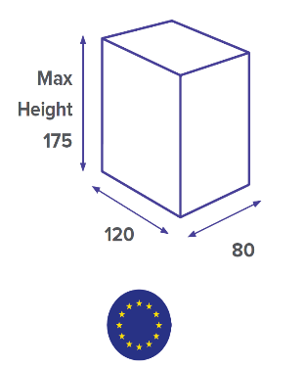
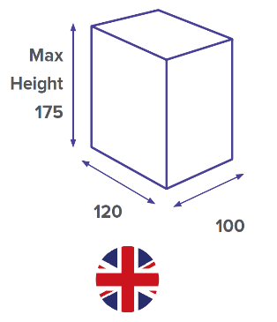
If you're travelling from the UK to an event in Europe, or vice versa,
you need to be aware that there are difference in the type of
"standard pallet". A European pallet is 20cm smaller in width
than a UK pallet.
Here's a diagram to help you (just remember this is a rough
guide) based on a Luton Van (height)
Based on the UK pallet the cubic metre is 1.2 x 1.0 x 1.75 = 2.1m3

International Postage



The first step to clearing customs is completing a combined commerical invoice and packing list. It's a simple form our global agents can help you complete, all you need to do isanswer some basic questions about your packages and what's in it.
If you're from a non-EEC country and you're bringing merchandise in for you exhibition (even in your hand luggage); you must declare it to HM Revenue and Customs (HMRC). Due to the complexities with customs formalities, we highly reccomend you ship to the event utilsing our trust global agent network. Out customs team can provide you with contact details of our agent in your country.
If you're using an international courier, get some details on how they will manage your duty and VAT. Moist exhibition logistics suppliers (like us) have special facilities in place for the event, including facilities for temporary importation without payment of duty/VAT - as apposed to most couriers who will charge full rate of duty and tax.
PRO TIP: The UK is no longer part of the EU, therefore any shipment arriving outside of the UK will require customs clearance. Please contact our in-house customs team for all import and export advice:
clearance@ges.com

Organising your Logistics

Order Form

PLEASE COMPLETE THE FOLLOWING FORM AND RETURN TO THE ABOVE EMAIL ADDRESS BY |  |  |  |  |  | 9th May 2023

Event Name: | BCS Annual Conference | Hall Number:
Venue: | Manchester Central | Stand Number:
Event Dates: | 5th - 7th June 2023 | Date required on stand*
Stand Name: |  | Time required on stand*
Billing Company: |  | Contact Name on Stand:
Billing Address: |  | Contact Number on Stand:
 |  | Date collect from stand**
Email Address: |  | Time collect on stand**
Print Name: |  | Purchase Order Number:
Telephone Number: |  | VAT Number:
* This is for guideline purposes only, GES will confirm timings available for unloading, delivery to stand in our order confirmation. |  | **This is for guideline purposes only, GES are not responsible for any goods left unattended on stands.

Please click in the below boxes and use the drop down menu to indicate which services you require:

ONSITE & COURIER SERVICES:

Handling via onsite warehouse during event tenancy |  |  | £15.00 |  | per cbm, Min: | £15.00
Unload to stand (upto 3 tonne forklift) |  |  | £25.00 |  | *per cbm, Min: | £25.00
Empty Case Handling, please contact GES if you have Priority Case, Full Goods or Accessible Product requirements |  |  | £40.00 |  | per cbm, Min: | £120.00
Reload from stand (upto 3 tonne forklift) |  |  | £25.00 |  | *per cbm, Min: | £25.00
Courier Receiving, Receipt of shipments directly onsite at event (Contact GES Prior to shipping for instructions) |  |  | £25.00 |  | per box
File Processing fee of: | £40.00 applicable to all orders | * Subject to 50% overtime handling
PRE / POST EVENT WAREHOUSE SERVICES:

Exhibitor will deliver to Advanced GES Warehouse |  |  | £75.00 |  | per cbm, Min: | £150.00
Return to GES Warehouse after event |  |  | £75.00 |  | per cbm, Min: | £150.00
TRANSPORT / CUSTOMS SERVICES - QUOTATIONS UPON REQUEST:

Is collection from the address mentioned above? |  |  |  | If No please confirm collection address below:
Please advise collection address:
Do you have Forklift or loading facilities at your premises
Collection from exhibitor premises (as per the above address):
(Please confirm what date we can collect from your premises):
Return delivery to exhibitor premises after event (as per the above address):
(Please advise what date you require delivery to your premises):
Customs Clearance assistance
CONSIGNMENT DETAILS:

QUANTITY | DESCRIPTION OF GOODS | L x W x H (cms) |  |  |  | WEIGHT (Kgs)
E.g 1 Pallet | e.g Standfittings | L | W | H | m3 | 165
 |  |  |  |  | 0
 |  |  |  |  | 0
 |  |  |  |  | 0
 |  |  |  |  | 0
 |  |  |  |  | 0
 |  |  |  |  | 0
By completing and submitting this form you agree to the terms and conditions stated below:-
All Business is undertaken in accordance with our conditions of trade - a copy is available on request. Minimum invoice charge: £75.00 + VAT. Above prices are our Early Bird rates, a 20% increase is applicable for orders placed outside of the deadline stated above. A further 20% increase for orders placed onsite. 25% cancellation fee is applicable to orders cancelled within 48 hours of work commencement. Payment is due in full prior to commencement of work.

